Dashboards
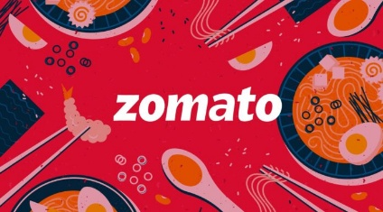
ZOMATO ANALYTICS DASHBOARD
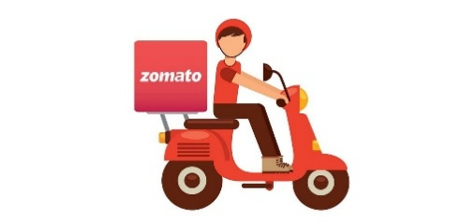

 | 2.89 | $24.27
9551 |  | ₹ 2,014 | 26%
Top 10 Cities by Restaurants
 | Total
Savannah | 352322936
Sioux City | 352435674
Pocatello | 352561169
Valdosta | 353563365
Waterloo | 353943880
Singapore | 369686941
Faridabad | 2570710879
Gurgaon | 10683760585
Noida | 12640881280
New Delhi | 45290484692
Top Restaurants by Countries
 | Total
Canada | 66625338
Indonesia | 243557679
Australia | 401499310
Brazil | 412178472
Other | 10422365256
India | 74901100808
 | Total
2–3 | 1430
3–4 | 4590
4+ | 1380
Below 2 | 2151

Price Range Distribution
 | Total
1 | 45229789248
2 | 26727997764
3 | 10850238835
4 | 3639301016
Has Online Delivery
 | Total
No | 67383431930
Yes | 19063894933
Top 10 Cuisines by Restaurant
 | Total
North Indian, Mughlai, Chinese | 1455614922
Mughlai | 1464156826
Bakery, Desserts | 1491438668
Cafe | 2064588338
North Indian, Mughlai | 2201445758
Bakery | 2361737485
Chinese | 3298513776
Fast Food | 3723871743
North Indian, Chinese | 4442779025
North Indian | 8890826859

